Overview
Function Specification

Function Name : |  | Overview of customer segmentation using RFM analysis |  |  |  |  |  | Function ID : |  |  | Requested By : |  | Requested Date :
Description : |  |  |  |  |  |  |  |  |  |  | Created By : |  | Created Date : | 2023-08-01
Application Name : |  | RFM Analysis |  |  |  |  |  | Function Type : | Screen |  | Updated By : |  | Approved Date :

Description
1. Objective |  |  |  |  |  |  |  |  | 4. Sample Screen

This screen shows visualization of customer segmentation size using RFM analysis and comparison of recency, frequency, and monetary value by segment
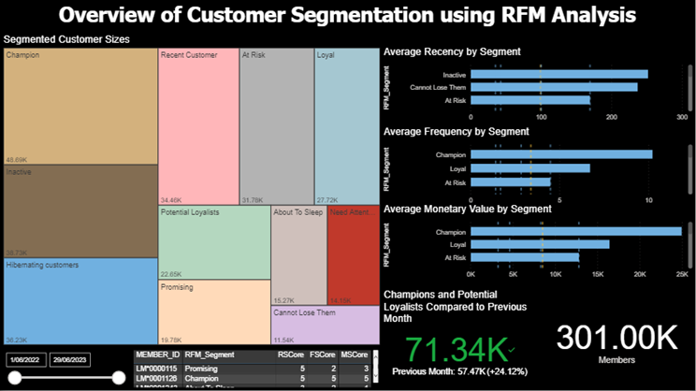

2. User Authorization

No. | User Group |  | Read | Write | Update | Delete | Remark
1 | CRM Team |  | O |  | O

3. Field Description |  |  |  |  |  |  |  |  | 5. Button

No. | Field Name |  | Type |  | Data Source |  | Format |  | No. | Object | Event | Condition | Event
1 | RFM matrix |  | Chart |  | Recency score on X-axis and AVG(Frequency + Monetary) |  | RFM matrix |  | 1 | Time slicer | Drag | Default set to max date range | Allows users to select a specific range for the latest transaction date
2 | Members table |  | Table |  | MEMBER_ID, RFM_Segment, RScore, FScore, MScore |  | Table |  | 2 | Members table | Click on three dots and select "Export data" |  | Export table
3 | Chart representing average RFM values by segmented customer groups |  | Chart |  | AVG() of R,F,M scores |  | Horizontal bar chart |  | 3 | Each segment of RFM | Hover | Appear when hovered, disappear when unhovered | Shows total number of members in the segment
4 | Total members |  | Text Box |  | COUNT(members) |  | xx,xxx members
5 | KPI showing number of Champions + Loyal Customers compared to previous month |  | KPI |  | COUNT(customers) WHERE segment = Champions or segment = Loyal Customers | |  | xx.xxK

Brand-wise
Function Specification

Function Name : |  | Customer Segmentation by Brand |  |  |  |  |  | Function ID : |  |  | Requested By : |  | Requested Date :
Description : |  |  |  |  |  |  |  |  |  |  | Created By : |  | Created Date : | 2023-08-01
Application Name : |  | RFM Analysis |  |  |  |  |  | Function Type : | Screen |  | Updated By : |  | Approved Date :

Description
1. Objective |  |  |  |  |  |  |  |  | 4. Sample Screen

This screen shows visualization of customer segmentation by brand using RFM analysis and comparison of recency, frequency, and monetary value of segmented customers
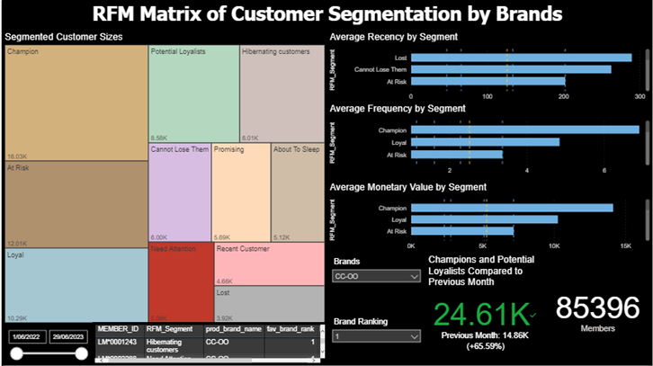

2. User Authorization

No. | User Group |  | Read | Write | Update | Delete | Remark
1 | CRM Team |  | O |  | O

3. Field Description |  |  |  |  |  |  |  |  | 5. Button

No. | Field Name |  | Type |  | Data Source |  | Format |  | No. | Object | Event | Condition | Event
1 | RFM matrix |  | Chart |  | Recency score on X-axis and AVG(Frequency + Monetary) |  | RFM matrix |  | 1 | Time slicer | Drag | Default set to max date range | Allows users to select a specific range for the latest transaction date
2 | Members table |  | Table |  | MEMBER_ID, RFM_Segment, RScore, FScore, MScore |  | Table |  | 2 | Members table | Click on three dots and select "Export data" |  | Export table
3 | Chart representing average RFM values by segmented customer groups |  | Chart |  | AVG() of R,F,M scores |  | Horizontal bar chart |  | 3 | Each segment of RFM | Hover | Appear when hovered, disappear when unhovered | Shows total number of members in the segment
4 | Total members |  | Text Box |  | COUNT(members) |  | xx,xxx members |  | 4 | Brands slicer | Click | Default set to all | Unselect on reclick | Ctrl + Click to multi-select | Choose a brand to filter result based on the selected brand
5 | KPI showing number of Champions + Loyal Customers compared to previous month |  | KPI |  | COUNT(customers) WHERE segment = Champions or segment = Loyal Customers | |  | xx.xxK |  | 5 | Brand ranking filter | Click | Default set to all | Unselect on reclick | Ctrl + Click to multi-select | filter rows based on specific brand rankings they choose

Customer segment change
Function Specification

Function Name : |  | Customer segment change from 2021-2022 to 2022-2023 |  |  |  |  |  | Function ID : |  |  | Requested By : |  | Requested Date :
Description : |  |  |  |  |  |  |  |  |  |  | Created By : |  | Created Date : | 2023-08-01
Application Name : |  | RFM Analysis |  |  |  |  |  | Function Type : | Screen |  | Updated By : |  | Approved Date :

Description
1. Objective |  |  |  |  |  |  |  |  | 4. Sample Screen

Represent the change of customer segments for members whose latest transaction date falls within both date periods
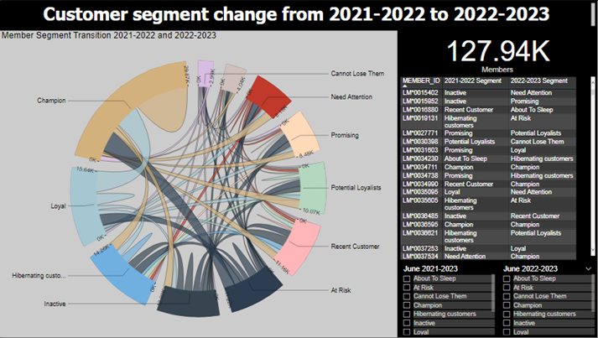

2. User Authorization

No. | User Group |  | Read | Write | Update | Delete | Remark
1 | CRM Team |  | O |  | O

3. Field Description |  |  |  |  |  |  |  |  | 5. Button

No. | Field Name |  | Type |  | Data Source |  | Format |  | No. | Object | Event | Condition | Event
1 | Member segment transition diagram |  | Chart |  | CombinedMemberIDs1 = INTERSECT(VALUES('RFM_pg1_June22'[member_id]), VALUES('RFM_pg1_June23'[member_id])) |  | Chord diagram |  | 1 | Previous member segment slicer | Click | Default set to all | Ctrl + Enter to multi-select | Filter page based on selected criteria
2 | Members table |  | Table |  | Member_id, previous member segment, present member segment |  | Table |  | 2 | Current member segment slicer | Click | Default set to all | Ctrl + Enter to multi-select | Filter page based on selected criteria
3 | Total members |  | Text Box |  | COUNT(members) |  | xx,xxx members

2021-2022 vs 2022-2023
Function Specification

Function Name : |  | 2021-2022 vs 2022-2023 |  |  |  |  |  | Function ID : |  |  | Requested By : |  | Requested Date :
Description : |  |  |  |  |  |  |  |  |  |  | Created By : |  | Created Date : | 2023-08-01
Application Name : |  | RFM Analysis |  |  |  |  |  | Function Type : | Screen |  | Updated By : |  | Approved Date :

Description
1. Objective |  |  |  |  |  |  |  |  | 4. Sample Screen

This screen represents criteria and key parameters for performing RFM analysis and definitions
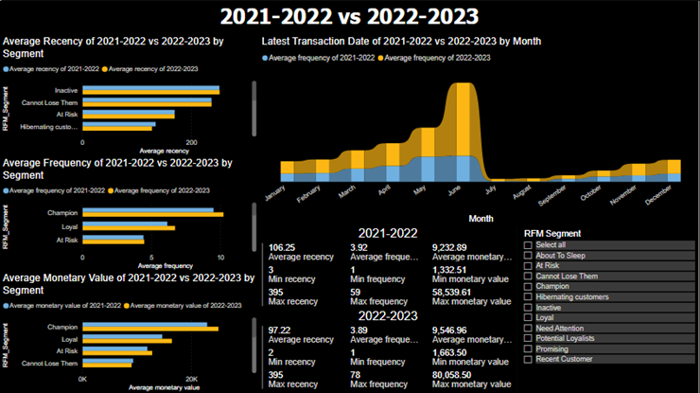

2. User Authorization

No. | User Group |  | Read | Write | Update | Delete | Remark
1 | CRM Team |  | O |  | O

3. Field Description |  |  |  |  |  |  |  |  | 5. Button

No. | Field Name |  | Type |  | Data Source |  | Format |  | No. | Object | Event | Condition | Event
1 | Average recency, frequency, and monetary value comparison of two time ranges by member segment |  | Chart |  | recency, frequency and monetary values of two time frames |  | Clustered horizontal bar chart |  | 1 | Member segment slicer | Click | Default set to all | Ctrl + Enter to multi-select | Filter page based on selected criteria
2 | Comparison of average member count based on latest transaction date, segmented by month, across two time frames |  | Chart |  | Frequenc values of two time frames, latest transaction date (month) |  | Ribbon chart
3 | Average, minimum, and maximum recency, frequency, and monetary value of two time frames |  | Multi-row card |  | recency, frequency and monetary values of two time frames

